Map
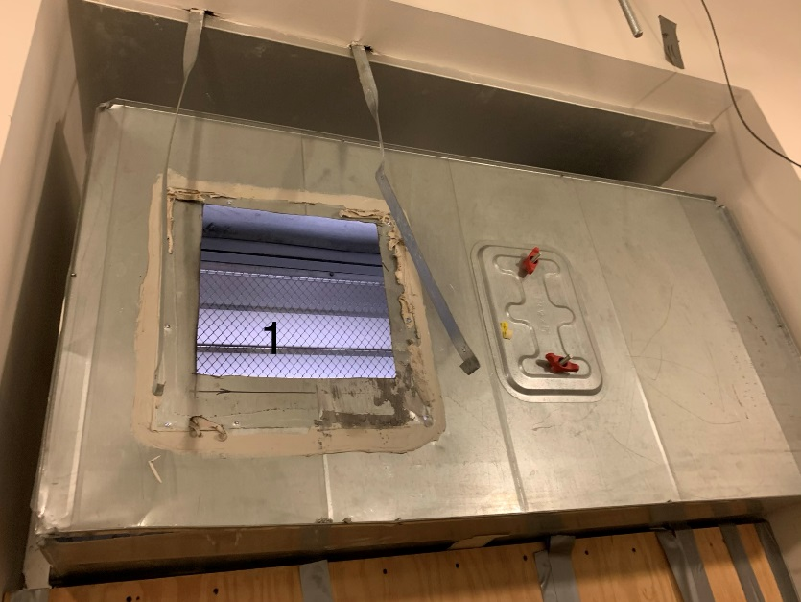

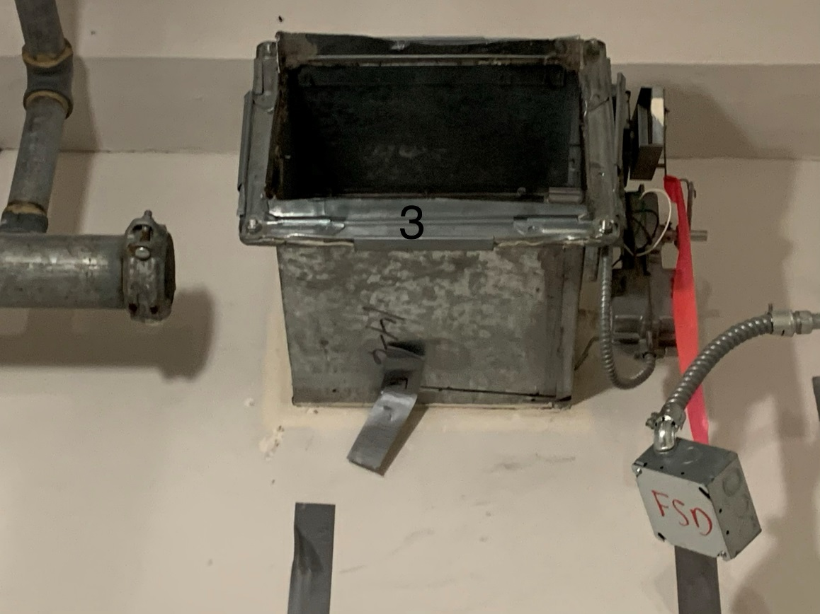

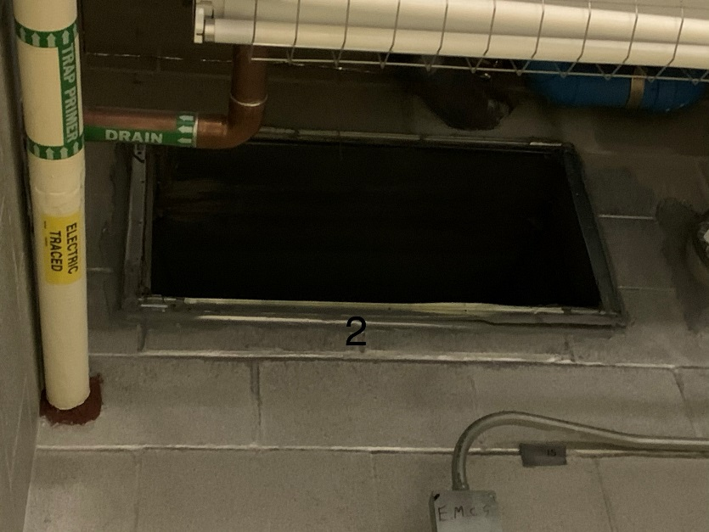

Survey No | INIS-010320-891
Date | 2020-01-03
Survey Tech | J. Walther
Count Room Tech | P. Ray
Date Counted | 2020-01-03
Survey Type | Characterization
Level of Posting | CA
Comments

